Table 1
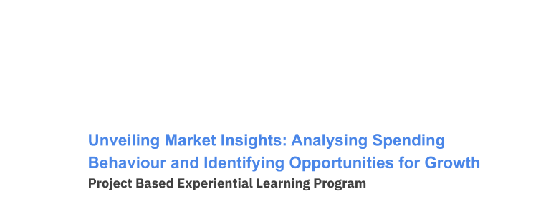
Handbook SmartBridge Educational Services Pvt. Ltd.

Unveiling Market Insights: Analysing Spending Behaviour and Identifying Opportunities for Growth
Wholesaling or distributing is the sale of goods or merchandise to retailer to industrial, commercial, institutional or other professional businessman to other wholesalers (wholesale businesses) and related subordinated services. In general, it is the sale of goods in bulk to anyone, either a person or an organization, other than the end consumer of that merchandise. Wholesaling is buying goods in bulk quantity, usually directly from the manufacturer or source, at a discounted rate. The retailer then sells the goods to the end consumer at a higher price making a profit.
The consumption and production of marketed food are spatially separated. Production is primarily in rural areas while consumption is mainly in urban areas.
Technical Architecture:
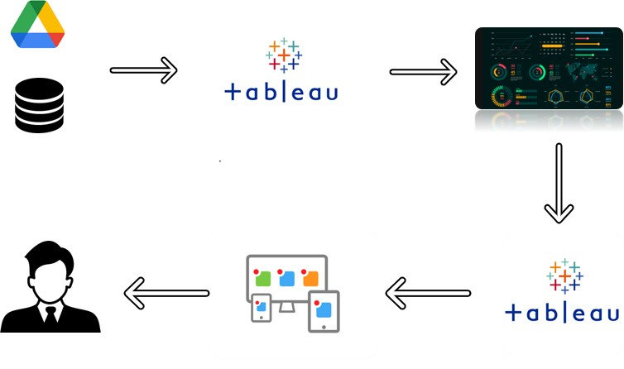
Project Flow

To accomplish this, we have to complete all the activities listed below,
● Define Problem / Problem Understanding o Specify the business problem o Business requirements o Literature Survey o Business Impact. ● Data Collection & Extraction o Collect the dataset o Connect Dataset with Tableau ● Data Preparation o Prepare the Data for Visualization ● Data Visualizations o No of Unique Visualizations ● Dashboard o Responsive and Design of Dashboard ● Story o No of Scenes of Story ● Performance Testing o Amount of Data Rendered to Tableau o Utilization of Data Filters o No of calculation fields o No of Visualizations/ Graphs ● Publishing o Publishing Dashboard & Story to Tableau Public ● Project Demonstration & Documentation o Record explanation Video for project end to end solution

o Project Documentation-Step by step project development procedure
Milestone 1: Define Problem / Problem Understanding
Activity 1: Specify the business problem
Refer Project Description
Activity 2: Requirements
Analyzing spending behavioí and identifying oppoítunities foí gíowth can píovide
cíucial maíket insights foí businesses looking to optimize theií stíategies and
incíease maíket shaíe.
Píicing Optimization: Analyze the íelationship between píicing and spending
behavioí to identify píicing stíategies that maximize íevenue while maintaining
customeí satisfaction.
Puíchase Patteíns: Analyze the fíequency and timing of customeí puíchases to
identify seasonal tíends oí patteíns that can guide inventoíy management and
maíketing campaigns.
Competitoí Analysis: Compaíe youí spending behavioí data with competitoís to
undeístand youí maíket position, píicing stíategies, and aíeas wheíe you can gain a
competitive advantage.
For this Created KPI’s and interactive Visualizations and Dashboard and story Board to bring clean and deep understanding of the data. Activity 3: Literature Survey
A literature survey is a method of researching existing literature and studies related to a specific topic. In the context of Measuring Success in Talent Management, a literature survey would involve reviewing studies and articles that have been published on the topic of Wholesaler a customer. The literature survey would include sources such as academic journals, industry reports, and online articles. It would aim to identify key performance indicators (KPIs) and metrics that are commonly used to measure wholesaler customers. The literature survey would also explore any existing research on The Tableau HR
Scorecard: Measuring Success in Talent Management specifically, and would aim to identify any unique challenges.
Activity 4: Business Impact It shows the information about the data and shows the weak regions and channels and helps to improve the weakness and helps where to improve. By this the wholesaler makes plans to transport the goods and where to transport more goods. And what type of goods are selling more in which region and channel.
Social Impact: ● Personalization and Targeted Marketing: With insights from spending behavior analysis, businesses can personalize marketing efforts and promotions. This targeted marketing approach reduces unnecessary advertising noise and enhances the relevance of promotional messages for consumers. ● Economic Growth and Job Creation: As businesses identify growth opportunities and optimize their strategies, they often experience increased revenue and expansion. This can lead to economic growth and job creation, benefiting local communities and contributing to the overall prosperity.
Business Impact: ● Revenue Growth: Leveraging market insights to identify growth opportunities can lead to increased sales and revenue for businesses. Understanding customer preferences and optimizing product offerings can attract more customers and improve customer retention. ● Cost Optimization: Data-driven decision-making allows businesses to allocate resources more efficiently. By identifying underperforming products or unprofitable channels, businesses can optimize costs and improve their bottom line.
Milestone 2: Data Collection & Extraction
Data collection is the process of gathering and measuring information on variables of interest, in an established systematic fashion that enables one to answer stated research questions, test hypotheses, and evaluate outcomes and generate insights from the data.
Activity 1: Collect the dataset Please use the link to download the dataset: Link
Activity 1.1: Understand the data
Data contains all the meta information regarding the columns described in the CSV file. we have provided CSV file: Wholesaler Customer Data.Csv
Column Description Region: It is dimension Data in Wholesaler data. Channel: It is also a Dimension data. Fresh: It is a product in data and it measures the selling quantity of fresh. Milk: It is measured and shows the quantity of selling Milk. Grocery: combination of products used to Prepare food comes under measure. Frozen: food that has been subjected to rapid freezing and it is measured. Detergent paper: It is also a measure in the wholesaler customer data. Delicatessen: It is also one of the products sold by the wholesaler.
Activity 2:Connecting Dataset to Tableau. https://drive.google.com/file/d/1MHcMUf8rMGUl6jhBKHZudNzi6dh6LK8k/v iew?usp=sharing
Milestone 3: Data Preparation
Activity 1: Prepare the Data for Visualization
Data modules are containers that describe data and rules for combining and shaping data to prepare it for analysis and visualization in Tableau. Data module sources. Data modules can be based on data servers, packages, uploaded files, data sets, and other data modules.
Milestone 4: Data Visualization Data visualization is the process of creating graphical representations of data in order to help people understand and explore the information. The goal of data visualization is to make complex data sets more accessible, intuitive, and easier to interpret. By using visual elements such as charts, graphs, and maps, data visualizations can help people quickly identify patterns, trends, and outliers in the data.
Activity 1: No of Unique Visualizations
The number of unique visualizations that can be created with a given dataset. Some common types of visualizations that can be used to analyze the performance and efficiency of a project include bar charts, line charts, heat maps, scatter plots, pie charts, Maps, etc. These visualizations can be used to compare performance, track changes over time, and show distribution, and relationships between variables.
● Activity 1.1: KPI’s https://drive.google.com/file/d/1jbDOuCauhVNtI7BV0HSq1HU7FYGIt WoM/view?usp=drive_link ● Activity 1.2: Region Wise Detergent paper and grocery https://drive.google.com/file/d/1b1dhVmo8ONLiQdWQ8_zH9OVBqW 1xTwfW/view?usp=drive_link ● Activity 1.3: Region wise Milk https://drive.google.com/file/d/160HV- kdO8GelUM3yk8UvxnNZEHwAkg6F/view?usp=drive_link ● Activity 1.4: Channel wise frozen and Delicatessen https://drive.google.com/file/d/1oyVuE7LogghwNI8qMUs4QpIB0539A xMR/view?usp=drive_link ● Activity 1.5: Region wise Delicatessen and Detergent paper
https://drive.google.com/file/d/17RWqG5p5l3Y_CoccYdY8A3RABn3Dh XX8/view?usp=drive_link ● Activity 1.6: Channel wise grocery and Detergent paper https://drive.google.com/file/d/1VTQfetbncufnVML6qaGEd- BSr2IY1EG8/view?usp=drive_link ● Activity 1.7: Region Wise Delicatessen https://drive.google.com/file/d/1OpednCASc6fwcEpDqEcxMUpR3VuX T5zg/view?usp=drive_link
Milestone 5: Dashboard
A dashboard is a graphical user interface (GUI) that displays information and data in an organized, easy-to-read format. Dashboards are often used to provide real-time monitoring and analysis of data, and are typically designed for a specific purpose or use case. Dashboards can be used in a variety of settings, such as business, finance, manufacturing, healthcare, and many other industries. They can be used to track key performance indicators (KPIs), monitor performance metrics, and display data in the form of charts, graphs, and tables.
Activity :1- Responsive and Design of Dashboard.
Once you have created views on different sheets in Tableau, you can pull them into a dashboard. Explanation Video: https://drive.google.com/file/d/1yYXFG5U8IcCKfVfNeqa8A1AMgcsPzHSP/vie w?usp=drive_link
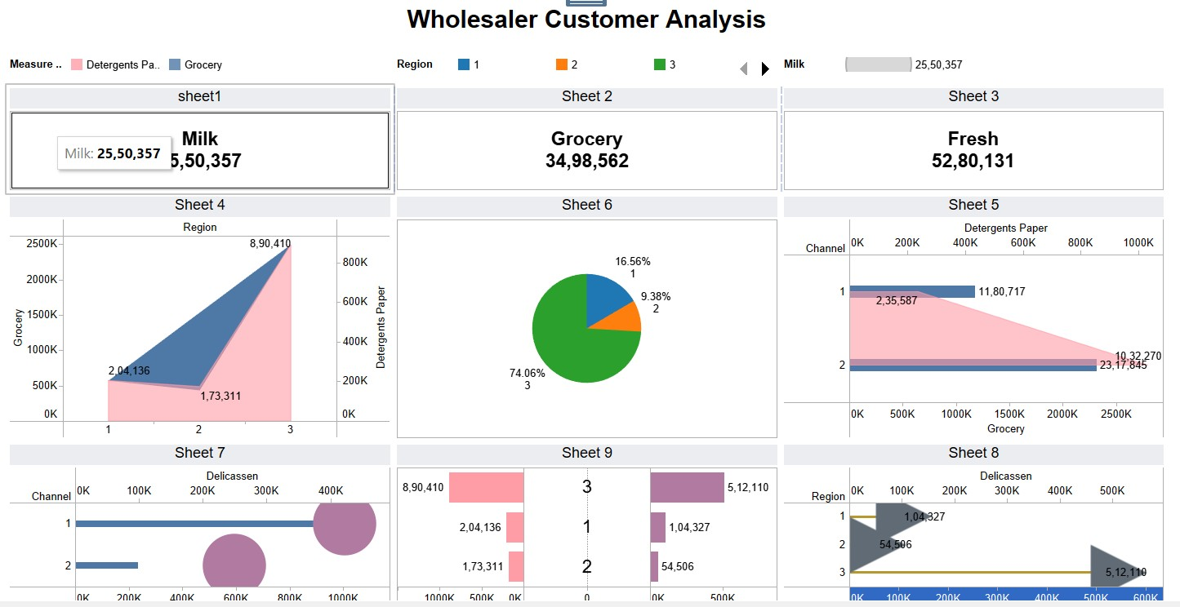
Milestone 6: Story
A data story is a way of presenting data and analysis in a narrative format, with the goal of making the information more engaging and easier to understand. A data story typically includes a clear introduction that sets the stage and explains the context for the data, a body that presents the data and analysis in a logical and systematic way, and a conclusion that summarizes the key findings and highlights their implications. Data stories can be told using a variety of mediums, such as reports, presentations, interactive visualizations, and videos
https://drive.google.com/file/d/1nJxbP1a49RMKc5HSuZbIgDNKw0dIXmJE/vi ew?usp=drive_link
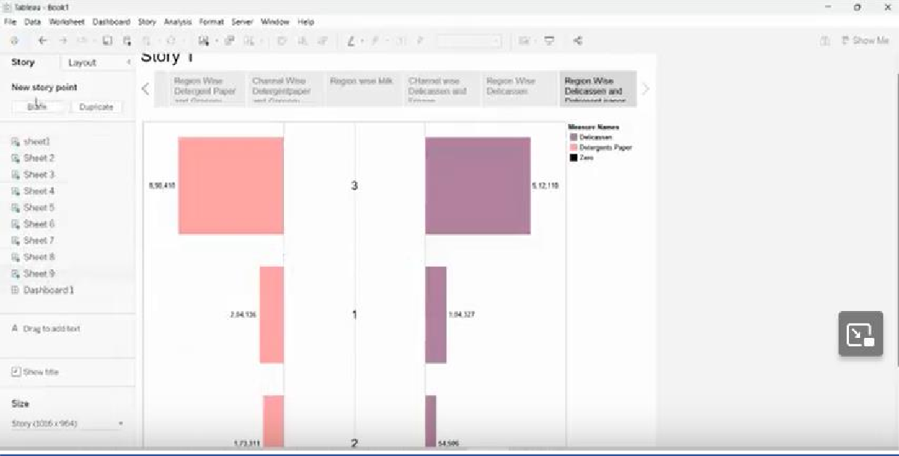
Milestone 7: Performance Testing
Activity 1: Amount of Data Rendered to Tableau
● The amount of data that is rendered to a Tableau depends on the size of the dataset
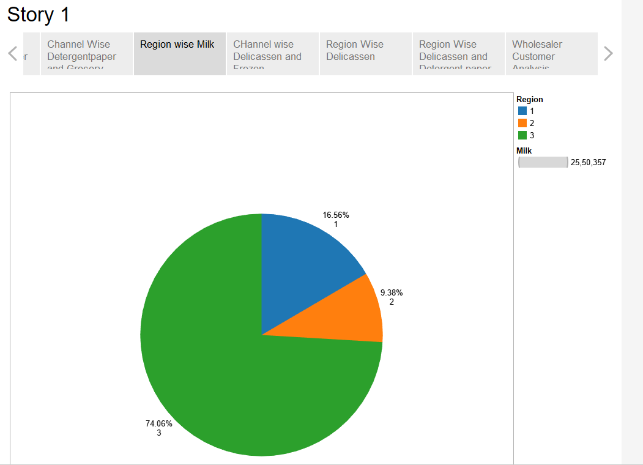
Activity 2: Utilization of Data Filters

Activity 3: No of Calculation Fields
Activity 4: No of Visualizations/ Graphs
1. KPI 2. Region Wise Detergent paper and grocery
3. Region wise Milk 4. Channel wise frozen and Delicassen 5. Region wise Delicassen and Detergent paper
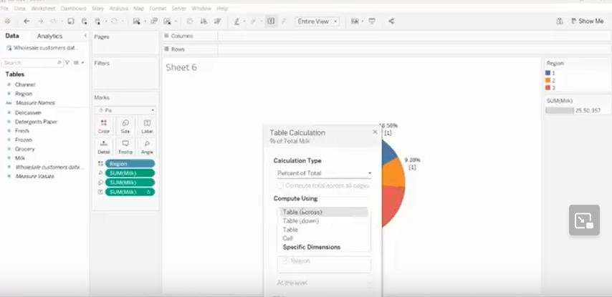
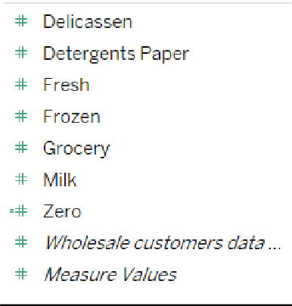
6. Channel wise grocery and Detergent paper 7. Region Wise Delicassen
Milestone 8: Publishing Publishing helps us to track and monitor key performance metrics, to communicate results and progress. help a publisher stay informed, make better decisions, and communicate their performance to others. Publishing dashboard and reports to tableau public Step 1: Go to Dashboard/story, click on share button on the top ribbon
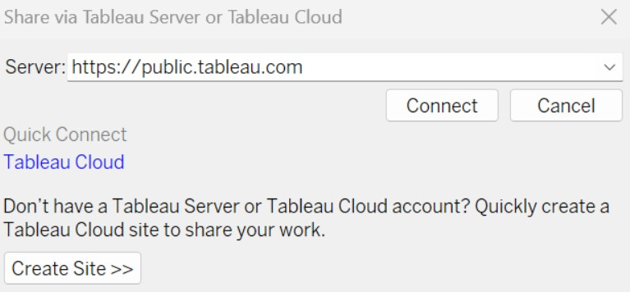
Give the server address of your tableau public account and click on connect.

Step 2: Once you click on connect it will ask you for tableau public user name and password
Once you login into your tableau public using the credentials, the particular visualization will be published into tableau public Note: While publishing the visualization to the public, the respective sheet will get published when you click on share option. Explanation Video:
https://drive.google.com/file/d/14em_9n43qaP0wfo4DqMaeyCBkXLCy3f6/vi ew?usp=drive_link
Activity 1: Dashboard and Story embed with UI With Flask
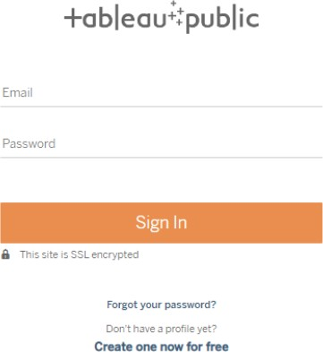
a.) Home Page:

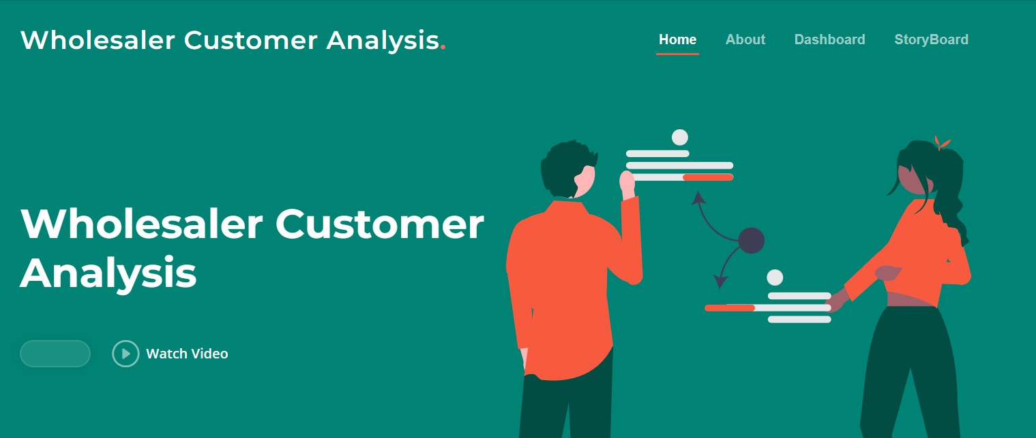
Dashboard page : -

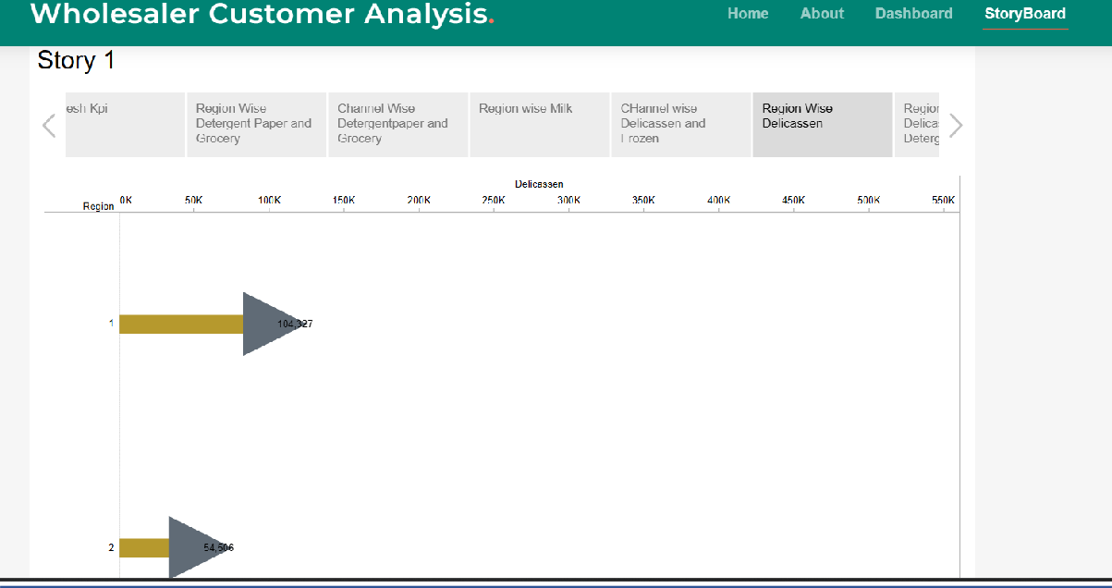
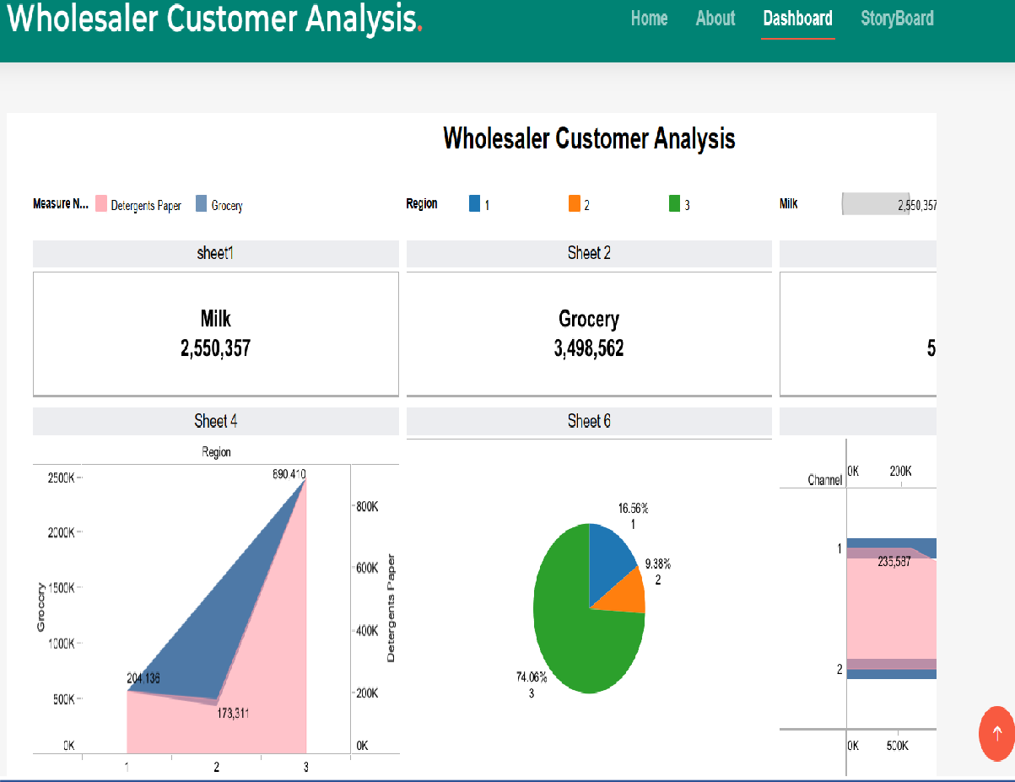
Storyboard page: -

Milestone 9: Project Demonstration & Documentation
Below mentioned deliverables to be submitted along with other deliverables
Activity 1:- Record explanation Video for project end to end solution
Activity 2:- Project Documentation-Step by step project development procedure

